SSA
Safe System Assessment

https://austroads.com.au/publications/road-safety/ap-r509-16/media/AP-R509-16_Safe_System_Assessment_Framework.pdf

Adelaide Road - Existing | Run-off Road | Head-on | Intersection | Other (bus) | Pedestrian | Cyclist | Motorcyclist | Comments |  | Pedestrian | Cyclist | Other (bus) | Traffic
Exposure | 4 | 4 | 4 | 4 | 4 | 4 | 4 |  | Adelaide Road - Option 1A | 0 | 16 | 0 | 0
Likelihood | 1 | 1 | 2 | 2 | 2 | 4 | 2 |  | Adelaide Road - Option 1B | -16 | 48 | 0 | -2
Severity | 2 | 2 | 3 | 2 | 4 | 4 | 4 |  | Adelaide Road - Option 2A | 0 | 32 | 0 | 0
Product | 8 | 8 | 24 | 16 | 32 | 64 | 32 |  | Adelaide Road - Option 2B | -16 | 32 | 0 | -2

 |  |  |  |  |  | Traffic | 18

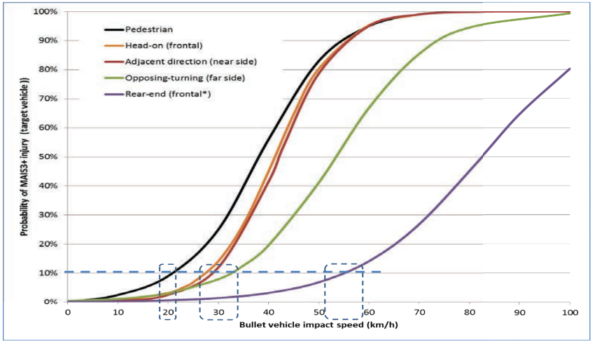
Adelaide Road - Option 1A | Run-off Road | Head-on | Intersection | Other (bus) | Pedestrian | Cyclist | Motorcyclist | Comments
Exposure | 4 | 4 | 4 | 4 | 4 | 4 | 4 | No bus stop bypass
Likelihood | 1 | 1 | 2 | 2 | 2 | 3 | 2
Severity | 2 | 2 | 3 | 2 | 4 | 4 | 4
Product | 8 | 8 | 24 | 16 | 32 | 48 | 32
 |  |  |  | 0 | 0 | 16
 |  |  |  |  |  | Traffic | 18
 |  |  |  |  |  |  | 0
Adelaide Road - Option 1B | Run-off Road | Head-on | Intersection | Other (bus) | Pedestrian | Cyclist | Motorcyclist | Comments
Exposure | 4 | 4 | 4 | 4 | 4 | 4 | 4 | Median removed
Likelihood | 1 | 2 | 2 | 2 | 3 | 1 | 2 | Bus stop bypass on footpath
Severity | 2 | 2 | 3 | 2 | 4 | 4 | 4
Product | 8 | 16 | 24 | 16 | 48 | 16 | 32
 |  |  |  | 0 | -16 | 48
 |  |  |  |  |  | Traffic | 20
 |  |  |  |  |  |  | -2
Adelaide Road - Option 2A | Run-off Road | Head-on | Intersection | Other (bus) | Pedestrian | Cyclist | Motorcyclist | Comments
Exposure | 4 | 4 | 4 | 4 | 4 | 4 | 4 | Bus stop bypass off footpath
Likelihood | 1 | 1 | 2 | 2 | 2 | 2 | 2 | Increased likelihood of crash between right turning vehicles required to cross vehicle lane, bus lane, two-way cycleway with northbound cyclists less anticipated and footpath compared with Option 1A
Severity | 2 | 2 | 3 | 2 | 4 | 4 | 4
Product | 8 | 8 | 24 | 16 | 32 | 32 | 32
 |  |  |  | 0 | 0 | 32
 |  |  |  |  |  | Traffic | 18
 |  |  |  |  |  |  | 0
Adelaide Road - Option 2B | Run-off Road | Head-on | Intersection | Other (bus) | Pedestrian | Cyclist | Motorcyclist | Comments
Exposure | 4 | 4 | 4 | 4 | 4 | 4 | 4 | Median removed
Likelihood | 1 | 2 | 2 | 2 | 3 | 2 | 2 | Bus stop bypass on footpath Increased likelihood of crash between right turning vehicles required to cross vehicle lane, bus lane, two-way cycleway with northbound cyclists less anticipated and footpath compared with Option 1A
Severity | 2 | 2 | 3 | 2 | 4 | 4 | 4
Product | 8 | 16 | 24 | 16 | 48 | 32 | 32
 |  |  |  | 0 | -16 | 32
 |  |  |  |  |  | Traffic | 20
 |  |  |  |  |  |  | -2

Kent-Cambridge - Existing | Run-off Road | Head-on | Intersection | Other (bus) | Pedestrian | Cyclist | Motorcyclist |  |  | Pedestrian | Cyclist | Other (bus) | Traffic
Exposure | 4 | 4 | 4 | 4 | 4 | 4 | 4 |  | Kent-Cambridge - Option 1A | 0 | 32 | 0 | 0
Likelihood | 1 | 0 | 2 | 2 | 2 | 3 | 2 |  | Kent-Cambridge - Option 1B | 0 | 32 | 0 | 0
Severity | 2 | 2 | 3 | 2 | 4 | 4 | 4 |  | Kent-Cambridge - Option 2A | 0 | 32 | 0 | 0
Product | 8 | 0 | 24 | 16 | 32 | 48 | 32 |  | Kent-Cambridge - Option 2B | 0 | 32 | 0 | 0

 |  |  |  |  |  | Traffic | 16

Kent-Cambridge - Option 1A | Run-off Road | Head-on | Intersection | Other (bus) | Pedestrian | Cyclist | Motorcyclist
Exposure | 4 | 4 | 4 | 4 | 4 | 4 | 4 | Assume no significant changes for pedestrians
Likelihood | 1 | 0 | 2 | 2 | 2 | 1 | 2
Severity | 2 | 2 | 3 | 2 | 4 | 4 | 4
Product | 8 | 0 | 24 | 16 | 32 | 16 | 32
 |  |  |  | 0 | 0 | 32
 |  |  |  |  |  | Traffic | 16
 |  |  |  |  |  |  | 0
Kent-Cambridge - Option 1B | Run-off Road | Head-on | Intersection | Other (bus) | Pedestrian | Cyclist | Motorcyclist
Exposure | 4 | 4 | 4 | 4 | 4 | 4 | 4 | Assume no significant changes for pedestrians
Likelihood | 1 | 0 | 2 | 2 | 2 | 1 | 2
Severity | 2 | 2 | 3 | 2 | 4 | 4 | 4
Product | 8 | 0 | 24 | 16 | 32 | 16 | 32
 |  |  |  | 0 | 0 | 32
 |  |  |  |  |  | Traffic | 16
 |  |  |  |  |  |  | 0
Kent-Cambridge - Option 2A | Run-off Road | Head-on | Intersection | Other (bus) | Pedestrian | Cyclist | Motorcyclist
Exposure | 4 | 4 | 4 | 4 | 4 | 4 | 4 | Assume no significant changes for pedestrians
Likelihood | 1 | 0 | 2 | 2 | 2 | 1 | 2 | Two-way cycleway completely separated by time on side roads
Severity | 2 | 2 | 3 | 2 | 4 | 4 | 4
Product | 8 | 0 | 24 | 16 | 32 | 16 | 32
 |  |  |  | 0 | 0 | 32
 |  |  |  |  |  | Traffic | 16
 |  |  |  |  |  |  | 0
Kent-Cambridge - Option 2B | Run-off Road | Head-on | Intersection | Other (bus) | Pedestrian | Cyclist | Motorcyclist
Exposure | 4 | 4 | 4 | 4 | 4 | 4 | 4 | Assume no significant changes for pedestrians
Likelihood | 1 | 0 | 2 | 2 | 2 | 1 | 2 | Two-way cycleway completely separated by time on side roads
Severity | 2 | 2 | 3 | 2 | 4 | 4 | 4
Product | 8 | 0 | 24 | 16 | 32 | 16 | 32
 |  |  |  | 0 | 0 | 32
 |  |  |  |  |  | Traffic | 16
 |  |  |  |  |  |  | 0

Bowen Street - Existing | Run-off Road | Head-on | Intersection | Other (bus) | Pedestrian | Cyclist | Motorcyclist |  |  | Pedestrian | Cyclist | Other (bus) | Traffic
Exposure | 3 | 3 | 3 | 3 | 4 | 4 | 4 |  | Bowen Street - Option 1A | 0 | 32 | 0 | 0
Likelihood | 2 | 1 | 2 | 2 | 2 | 3 | 2 |  | Bowen Street - Option 1B | 0 | 16 | 0 | 0
Severity | 2 | 2 | 3 | 2 | 4 | 4 | 4 |  | Bowen Street - Option 2A | 0 | 16 | 0 | 0
Product | 12 | 6 | 18 | 12 | 32 | 48 | 32 |  | Bowen Street - Option 2B | 0 | 16 | 0 | 0

 |  |  |  |  |  | Traffic | 17

Bowen Street - Option 1A | Run-off Road | Head-on | Intersection | Other (bus) | Pedestrian | Cyclist | Motorcyclist
Exposure | 3 | 3 | 3 | 3 | 4 | 4 | 4 | Assume no significant changes for pedestrians
Likelihood | 2 | 1 | 2 | 2 | 2 | 1 | 2
Severity | 2 | 2 | 3 | 2 | 4 | 4 | 4
Product | 12 | 6 | 18 | 12 | 32 | 16 | 32
 |  |  |  | 0 | 0 | 32
 |  |  |  |  |  | Traffic | 17
 |  |  |  |  |  |  | 0
Bowen Street - Option 1B | Run-off Road | Head-on | Intersection | Other (bus) | Pedestrian | Cyclist | Motorcyclist
Exposure | 3 | 3 | 3 | 3 | 4 | 4 | 4 | Assume no significant changes for pedestrians
Likelihood | 2 | 1 | 2 | 2 | 2 | 2 | 2 | Shared bus bike lane less safe than protected lanes
Severity | 2 | 2 | 3 | 2 | 4 | 4 | 4
Product | 12 | 6 | 18 | 12 | 32 | 32 | 32
 |  |  |  | 0 | 0 | 16
 |  |  |  |  |  | Traffic | 17
 |  |  |  |  |  |  | 0
Bowen Street - Option 2A | Run-off Road | Head-on | Intersection | Other (bus) | Pedestrian | Cyclist | Motorcyclist
Exposure | 3 | 3 | 3 | 3 | 4 | 4 | 4 | Assume no significant changes for pedestrians
Likelihood | 2 | 1 | 2 | 2 | 2 | 2 | 2 | Two-way bike facility on grade has head-on risks
Severity | 2 | 2 | 3 | 2 | 4 | 4 | 4 | Assess service lane on Bowen for no1 the Terrace for 2-way biker conflicts at speed due to down grade
Product | 12 | 6 | 18 | 12 | 32 | 32 | 32
 |  |  |  | 0 | 0 | 16
 |  |  |  |  |  | Traffic | 17
 |  |  |  |  |  |  | 0
Bowen Street - Option 2B | Run-off Road | Head-on | Intersection | Other (bus) | Pedestrian | Cyclist | Motorcyclist
Exposure | 3 | 3 | 3 | 3 | 4 | 4 | 4 | Assume no significant changes for pedestrians
Likelihood | 2 | 1 | 2 | 2 | 2 | 2 | 2 | Two-way bike facility on grade has head-on risks
Severity | 2 | 2 | 3 | 2 | 4 | 4 | 4 | Assess service lane on Bowen for no1 the Terrace for 2-way biker conflicts at speed due to down grade
Product | 12 | 6 | 18 | 12 | 32 | 32 | 32
 |  |  |  | 0 | 0 | 16
 |  |  |  |  |  | Traffic | 17
 |  |  |  |  |  |  | 0

